CNRQ Matrix
1
2
3
4
5
6
7
8
9

Steps 6-9 help you create a publication quality graph.
First, calculate the average Log10 Expression for each genotype. Then calculate the antilog of the average Log10 Expression to get back to the linear scale.
You will use the Antilog Expression values in your graph.
Real-time PCR raw data are expressed as Cq values. Raw Cq values are not readily comparable for many reasons. In order for CFX Manager to accuratly convert your raw Cq values into normalized expression (ΔΔCq), you need to edit your plate and experiments settings within the software. Please see the "Post-Run CFX Manager Instructions" doucment.
Copy the Target, Samples, Expression, and Expression SEM columns from CFX Manager into an open Excel Spreadsheet. The Expression and Expression SEM values can be used to create a preliminary graph. If you would like to conduct statsitical tests please proceed to the next step.
I have colored coded the genotypes so it's easier to follow the calucations in the next steps.
Log transform the Expression and Expression SEM columns in Step 2. Log10 and Log2 are commonly used for qPCR data.
Gene expression levels are heavily skewed in linear scale: the lower expressed genes are between 0 and 1 (with 1 meaning no change), and the higher expressed genes between 1 and positive infinity. Consider the values 0.1, 1, and 10. Intuitively, we understand that 0.1 is ten-fold lower than 1. However, in linear scale 0.1 and 1 are closer to each other than 1 and 10. A parametric statistical test will therefore be biased and not appreciate that 0.1 and 10 are equally diffrent from 1, unless the values are log transformed.
Format table to import into R to perform statistical analysis.
Save this table in a separate Excel spreadsheet as a CSV (Comma Delimited) .csv file. Make sure you include the column headings.
Run statistical analysis on the combined BioReps using R and the tutorial script written by Andreas Madlung :
Quick R Stats Script for qPCR
If you used the table in step 4, then your R output should look like this:
Calculate the standard deviation and standard error of the mean for the Log10 Expression values of each group.
You will use the Log10 SEM values to calculate the confidence interval in the next step.
It’s a good practice to add error bars to calculated results. When calculating the average of all samples in a group, the most useful measure of uncertainty is the confidence interval.
The formula for calculating the confidence is represented by the "CI" and "Mean ± CI" columns in the table below. THe formula for the confidence interval is:
Critical values measure the theorhetical numb er of standard errors to be added and subtracted in order to achieve your desired confidence level. You must use the t-disribution table when working problems with small samples sizes (n<30). You can use the Normal distribution, or Z value, with large samples sizes.
T distribution critical values table: http://www.stat.tamu.edu/~lzhou/stat302/T-Table.pdf
After completing the "Mean ± CI" column you will need to take the antilog of those values to get back to the linear scale.
You need to to one last calculation for the error to appear correctly on your graph:
Negative Error Value = Antilog Expression in step 6 - Antilog CI
Postivie Error Value = Antilog CI - Antilog Expression in step 6
The last step is to construct your graph and indicate statistical significance on your graph, and create your figure legend/caption.When conducting an ANOVA this needs to be done with letters.
When conducting an ANOVA this needs to be done with letters. If this had been a t-test we would use asterisks. Make sure you indicate what the symbols on your graph mean in the figure legend/caption.

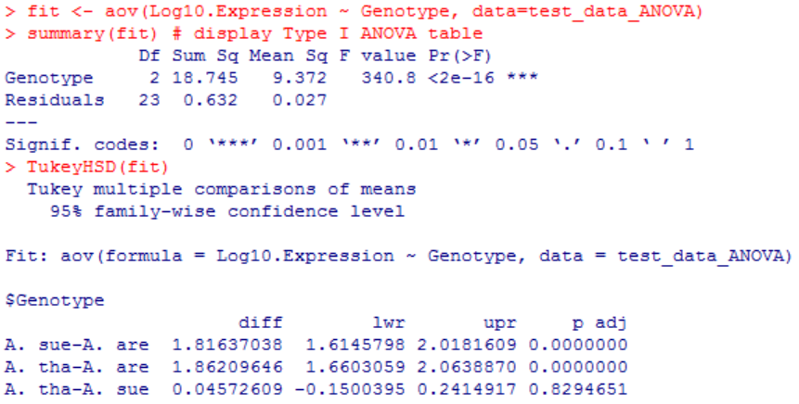
Sample Mean
Critical Value
(Z or t)
SEM

A
B
B

 |  |  |  |  |  |  |  |  |  |  | Genotype | AVG Log10 Expression | Antilog Expression |  | Log10 Std Dev | Log10 SEM
 |  |  |  |  |  |  |  |  |  |  | A. are | 0.00 | 1.00 | A. Are | 0.270 | 0.095
Target | Samples | Expression | Expression SEM | Target | Samples | Log10 Expression | Log10 Expression SEM | Genotype | BioRep | Log10 Expression | A. sue | 1.82 | 65.52 | A. sue | 0.076 | 0.025
LDA1 | A. are BR_A | 0.92 | 0.07 | LDA1 | A. are BR_A | -0.036 | -1.144 | A. are | A | -0.036 | A. thal | 1.86 | 72.79 | A. thal | 0.098 | 0.033
LDA1 | A. are BR_B | n/a | n/a | LDA1 | A. are BR_B | n/a | n/a | A. are | C | -0.470
LDA1 | A. are BR_C | 0.34 | 0.03 | LDA1 | A. are BR_C | -0.470 | -1.465 | A. are | D | 0.260
LDA1 | A. are BR_D | 1.82 | 0.14 | LDA1 | A. are BR_D | 0.260 | -0.848 | A. are | E | -0.334
LDA1 | A. are BR_E | 0.46 | 0.01 | LDA1 | A. are BR_E | -0.334 | -2.008 | A. are | F | 0.154
LDA1 | A. are BR_G | 1.43 | 0.19 | LDA1 | A. are BR_G | 0.154 | -0.726 | A. are | G | 0.102
LDA1 | A. are BR_H | 1.26 | 0.11 | LDA1 | A. are BR_H | 0.102 | -0.954 | A. are | H | 0.059
LDA1 | A. are BR_I | 1.15 | 0.07 | LDA1 | A. are BR_I | 0.059 | -1.139 | A. are | I | 0.264
LDA1 | A. are BR_J | 1.84 | 0.31 | LDA1 | A. are BR_J | 0.264 | -0.511 | A. sue | A | 1.766
LDA1 | A. sue BR_A | 58.35 | 1.64 | LDA1 | A. sue BR_A | 1.766 | 0.216 | A. sue | B | 1.719
LDA1 | A. sue BR_B | 52.35 | 4.88 | LDA1 | A. sue BR_B | 1.719 | 0.688 | A. sue | C | 1.725
LDA1 | A. sue BR_C | 53.12 | 4.31 | LDA1 | A. sue BR_C | 1.725 | 0.634 | A. sue | D | 1.911
LDA1 | A. sue BR_D | 81.40 | 3.51 | LDA1 | A. sue BR_D | 1.911 | 0.546 | A. sue | E | 1.842
LDA1 | A. sue BR_E | 69.50 | 3.33 | LDA1 | A. sue BR_E | 1.842 | 0.522 | A. sue | F | 1.898
LDA1 | A. sue BR_G | 79.06 | 31.38 | LDA1 | A. sue BR_G | 1.898 | 1.497 | A. sue | G | 1.791
LDA1 | A. sue BR_H | 61.84 | 2.43 | LDA1 | A. sue BR_H | 1.791 | 0.386 | A. sue | H | 1.786 |  |  |  |  |  |  | A. Are | CI | Mean ±CI | Antilog CI | Error to Graph
LDA1 | A. sue BR_I | 61.12 | 2.59 | LDA1 | A. sue BR_I | 1.786 | 0.413 | A. sue | I | 1.909 |  |  |  |  |  |  |  | 0.23 | -0.23 | 0.595 | 0.405
LDA1 | A. sue BR_J | 81.11 | 4.13 | LDA1 | A. sue BR_J | 1.909 | 0.616 | A. tha | A | 1.958 |  |  |  |  |  |  |  |  | 0.23 | 1.680 | 0.680
LDA1 | A. tha BR_A | 90.68 | 3.90 | LDA1 | A. tha BR_A | 1.958 | 0.591 | A. tha | B | 1.879
LDA1 | A. tha BR_B | 75.60 | 4.11 | LDA1 | A. tha BR_B | 1.879 | 0.614 | A. tha | C | 1.828
LDA1 | A. tha BR_C | 67.24 | 3.82 | LDA1 | A. tha BR_C | 1.828 | 0.582 | A. tha | D | 1.840
LDA1 | A. tha BR_D | 69.19 | 3.03 | LDA1 | A. tha BR_D | 1.840 | 0.481 | A. tha | E | 1.685 |  |  |  |  |  |  | A. sue | CI | Mean ±CI | Antilog CI | Error to Graph
LDA1 | A. tha BR_E | 48.43 | 2.08 | LDA1 | A. tha BR_E | 1.685 | 0.318 | A. tha | F | 1.785 |  |  |  |  |  |  |  | 0.06 | 1.76 | 57.235 | 8.284
LDA1 | A. tha BR_G | 60.89 | 10.89 | LDA1 | A. tha BR_G | 1.785 | 1.037 | A. tha | G | 1.829 |  |  |  |  |  |  |  |  | 1.88 | 75.003 | 9.483
LDA1 | A. tha BR_H | 67.47 | 4.11 | LDA1 | A. tha BR_H | 1.829 | 0.614 | A. tha | H | 1.996
LDA1 | A. tha BR_I | 99.17 | 4.83 | LDA1 | A. tha BR_I | 1.996 | 0.684 | A. tha | I | 1.960
LDA1 | A. tha BR_J | 91.20 | 3.07 | LDA1 | A. tha BR_J | 1.960 | 0.487 |  |  |  |  |  |  |  |  |  | A. thal | CI | Mean ±CI | Antilog CI | Error to Graph
 |  |  |  |  |  |  |  |  |  |  |  |  |  |  |  |  |  | 0.075450285656 | 1.79 | 61.185 | 11.609
 |  |  |  |  |  |  |  |  |  |  |  |  |  |  |  |  |  |  | 1.94 | 86.606 | 13.812

